Bug Report
SI.NO | BUG ID | BUG DESCRIPTION | STEPS TO REPRODUCE | SEVERITY | PRIORITY | SCREENSHOTS | TEST DATA | REPRODUCABLE(Y/N) | REPORTED DATE | REPORTED BY | REMARKS
1 | BUG_01 | "In Automation Exercise application, the system accepts very weak and extremely long passwords during user registration without any password strength validation. Expected Result: System should validate password strength and restrict weak passwords. Actual Result: Account is created successfully with weak password. Environment: Chrome Browser, Windows 11." | "1. Open Automation Exercise website 2. Click Signup/Login 3. Register new user 4. Enter weak password like “123” or very long password 5. Click Create Account" | Medium | High | 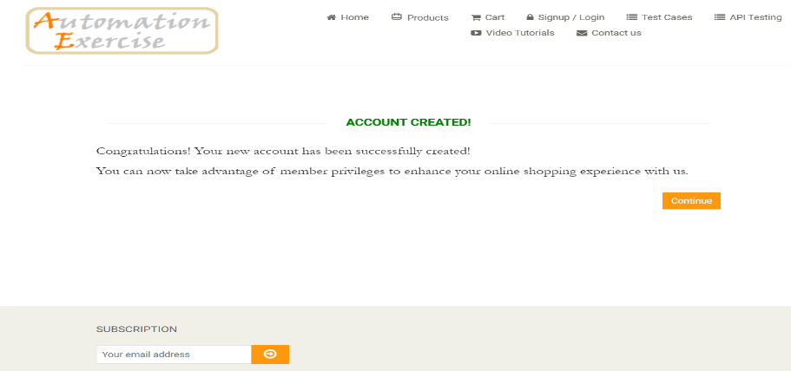 | Weak Password: 123 | Y | 2026-06-03

2 | BUG_02 | "In Automation Exercise application, searching invalid product keyword does not display proper “No Products Found” message. Expected Result: System should display user-friendly no-result message. Actual Result: Blank product area displayed without message. Environment: Chrome Browser, Windows 11." | "1. Open Products page 2. Enter invalid keyword “jnjn” 3. Click Search button" | Low | Medium | 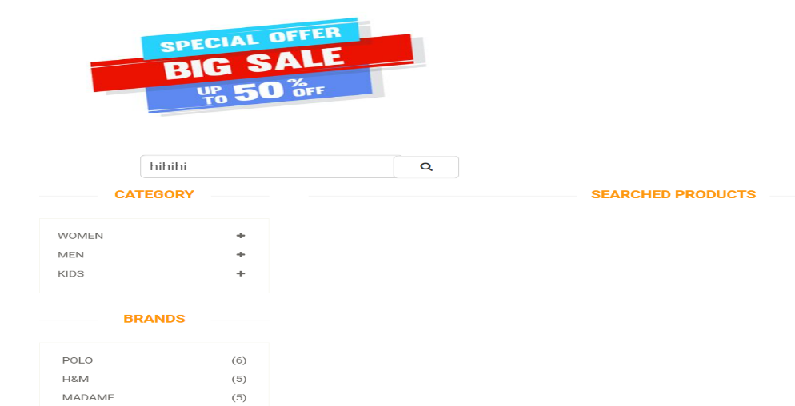 | Search Keyword: jnjn | Y | 2026-06-03

3 | BUG_03 | "In Automation Exercise application, the system accepts invalid payment card details and successfully places the order. Expected Result: System should validate card details before placing order. Actual Result: Order placed successfully with dummy card data. Environment: Chrome Browser, Windows 11." | "1. Add products to cart 2. Proceed to Checkout 3. Click Place Order 4. Enter invalid card details 5. Click Pay and Confirm Order" | High | High | 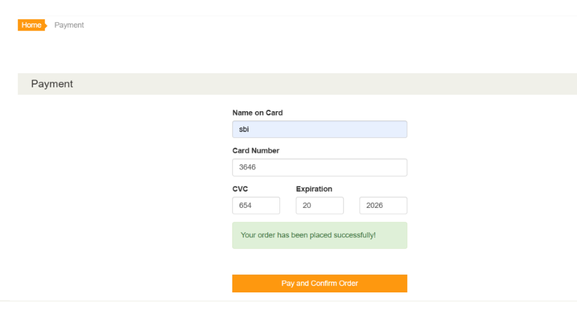 | Card Number: 1111111111111111 | Y | 2026-06-03

